Sheet1
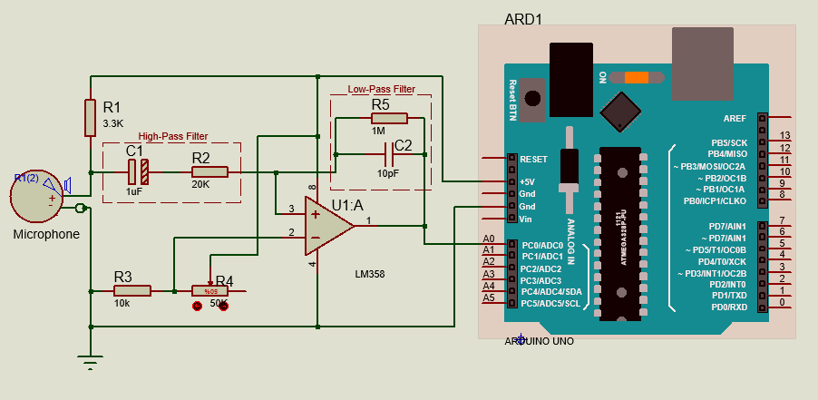

Frequecy Range | 100-10,00 dB
 |  | R | C | Frequecy
High-Pass Filter | 1/(2*pi*R*C) | 20000 | 0.000001 | 7.9617834395
Low-Pass Filter | 1/(2*pi*R*C) | 1000000 | 1E-12 | 159235.66879
 |  | R5 | R2
Gain | R2/R1 | 1000000 | 20000 | 50

 |  |  | TEST
ADC value | dB |  | ADC value | dB
460 | 44 |  | 550 | 57.548577661
480 | 47
500 | 59
508 | 60
550 | 61
600 | 63
613 | 65
700 | 70
859 | 78

